CDD Export 1
Molecule Name | Structure | CDD Number | Heise - Alphavirus Antiviral Assay - Dose-Response: Virus | Heise - Alphavirus Antiviral Assay - Dose-Response: EC50 (µM) | Heise - Alphavirus Antiviral Assay - Dose-Response: Hill Slope | Heise - Alphavirus Antiviral Assay - Dose-Response: Dose-Response Curve File URL | Heise - Alphavirus Antiviral Assay - Dose-Response: Dose-Response Curve | Heise - Alphavirus Antiviral Assay - Dose-Response: Dose-Response Curve File Name | Heise - Alphavirus Antiviral Assay - Dose-Response: Comment
IGNORE-0211950 | 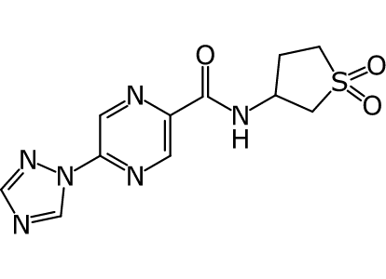 |  | CHIKV | > 40.0 | 0.104 | https://app.collaborativedrug.com/vaults/7773/files/28764119 | 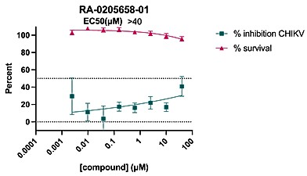 | Exp0275_CHIKVnLuc_% inhibition [RA-0205658-01].jpg
IGNORE-0211949 | 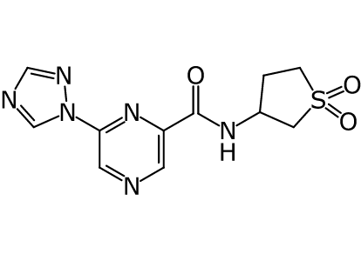 |  | CHIKV | > 40.0 | 0.144 | https://app.collaborativedrug.com/vaults/7773/files/28764117 | 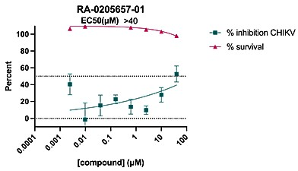 | Exp0275_CHIKVnLuc_% inhibition [RA-0205657-01].jpg
IGNORE-0211948 | 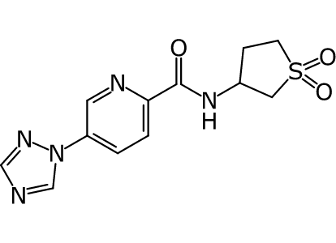 |  | CHIKV | > 40.0 | 0.107 | https://app.collaborativedrug.com/vaults/7773/files/28764115 | 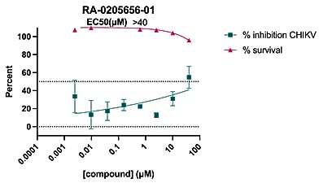 | Exp0275_CHIKVnLuc_% inhibition [RA-0205656-01].jpg
IGNORE-0211947 | 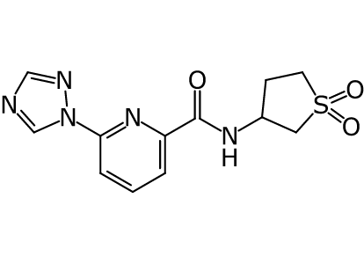 |  | CHIKV | > 40.0 | 0.145 | https://app.collaborativedrug.com/vaults/7773/files/28764113 | 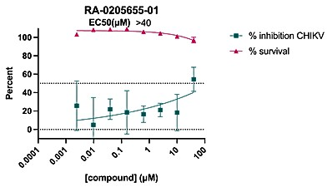 | Exp0275_CHIKVnLuc_% inhibition [RA-0205655-01].jpg
IGNORE-0211946 | 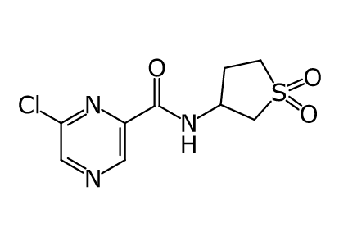 |  | CHIKV | > 40.0 | 0.38 | https://app.collaborativedrug.com/vaults/7773/files/28764111 | 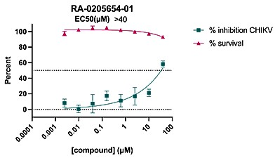 | Exp0275_CHIKVnLuc_% inhibition [RA-0205654-01].jpg
IGNORE-0211916 | 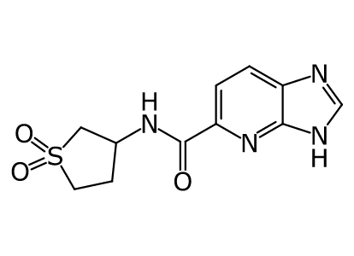 |  | CHIKV | > 40.0 | 0.663 | https://app.collaborativedrug.com/vaults/7773/files/28764108 | 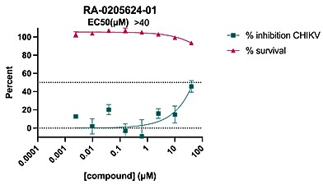 | Exp0275_CHIKVnLuc_% inhibition [RA-0205624-01].jpg
IGNORE-0211804 | 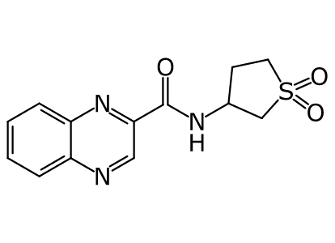 |  | CHIKV | > 40.0 | 11.8 | https://app.collaborativedrug.com/vaults/7773/files/28764106 | 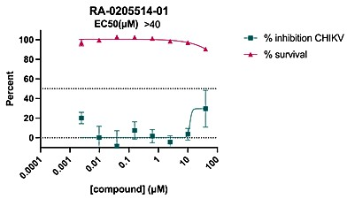 | Exp0275_CHIKVnLuc_% inhibition [RA-0205514-01].jpg
IGNORE-0211803 | 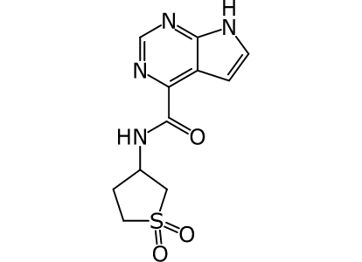 |  | CHIKV | > 40.0 | 14.1 | https://app.collaborativedrug.com/vaults/7773/files/28764104 | 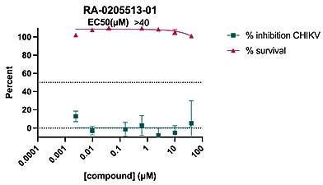 | Exp0275_CHIKVnLuc_% inhibition [RA-0205513-01].jpg
IGNORE-0211802 | 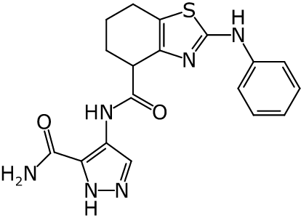 |  | CHIKV | > 40.0 | 0 | https://app.collaborativedrug.com/vaults/7773/files/28764101 | 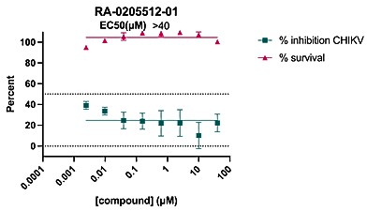 | Exp0275_CHIKVnLuc_% inhibition [RA-0205512-01].jpg
IGNORE-0211801 | 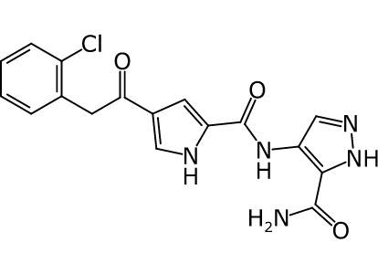 |  | CHIKV | > 40.0 | 2.49E-14 | https://app.collaborativedrug.com/vaults/7773/files/28764098 | 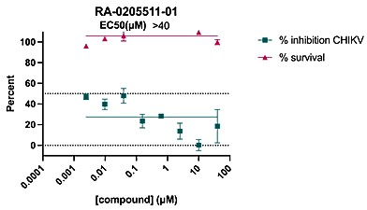 | Exp0275_CHIKVnLuc_% inhibition [RA-0205511-01].jpg
IGNORE-0211800 | 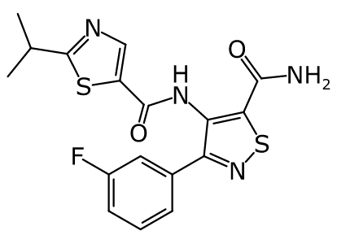 |  | CHIKV | > 40.0 | 9.1E-13 | https://app.collaborativedrug.com/vaults/7773/files/28764095 | 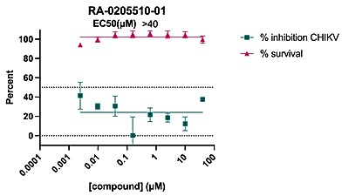 | Exp0275_CHIKVnLuc_% inhibition [RA-0205510-01].jpg
IGNORE-0211799 | 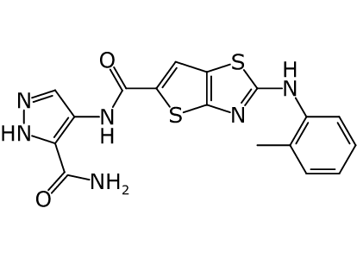 |  | CHIKV | > 40.0 | 1.51 | https://app.collaborativedrug.com/vaults/7773/files/28764091 | 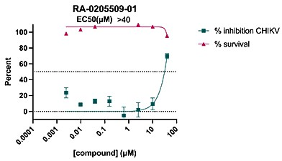 | Exp0275_CHIKVnLuc_% inhibition [RA-0205509-01].jpg
IGNORE-0211798 | 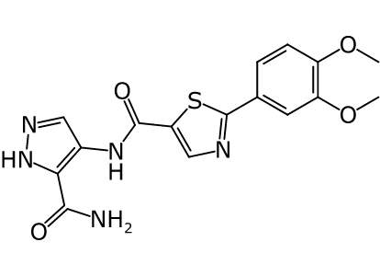 |  | CHIKV | > 40.0 | 0 | https://app.collaborativedrug.com/vaults/7773/files/28764088 | 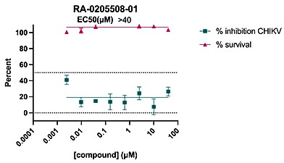 | Exp0275_CHIKVnLuc_% inhibition [RA-0205508-01].jpg
IGNORE-0211797 | 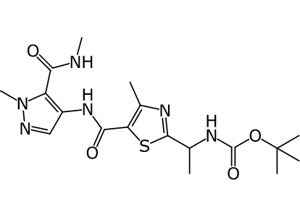 |  | CHIKV | > 40.0 | 0 | https://app.collaborativedrug.com/vaults/7773/files/28764086 | 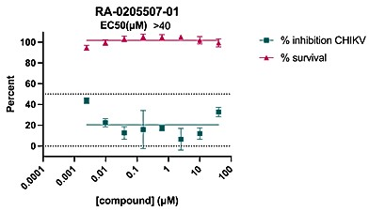 | Exp0275_CHIKVnLuc_% inhibition [RA-0205507-01].jpg
IGNORE-0211796 | 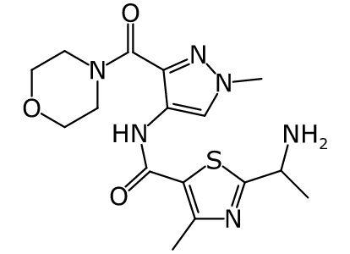 |  | CHIKV | > 40.0 | 0 | https://app.collaborativedrug.com/vaults/7773/files/28764082 | 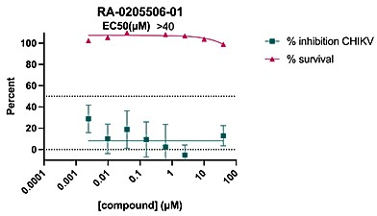 | Exp0275_CHIKVnLuc_% inhibition [RA-0205506-01].jpg
IGNORE-0211795 | 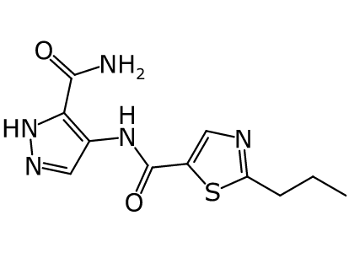 |  | CHIKV | > 40.0 | 2.65 | https://app.collaborativedrug.com/vaults/7773/files/28764080 | 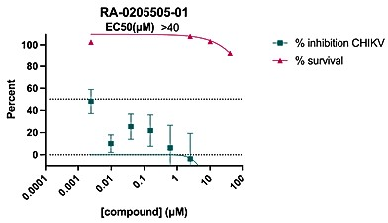 | Exp0275_CHIKVnLuc_% inhibition [RA-0205505-01].jpg
IGNORE-0211794 | 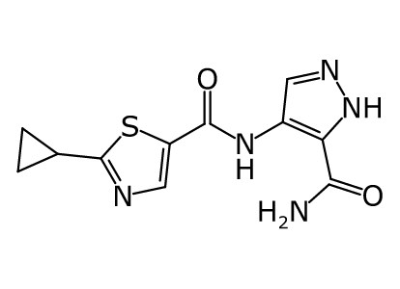 |  | CHIKV | > 40.0 | 5.47 | https://app.collaborativedrug.com/vaults/7773/files/28764078 | 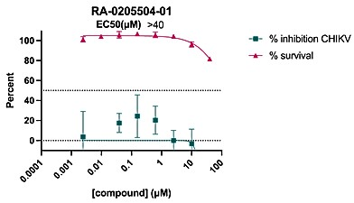 | Exp0275_CHIKVnLuc_% inhibition [RA-0205504-01].jpg
IGNORE-0211793 | 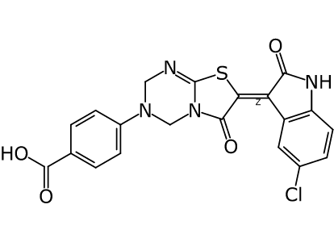 |  | CHIKV | > 40.0 | 0.0609 | https://app.collaborativedrug.com/vaults/7773/files/28764076 | 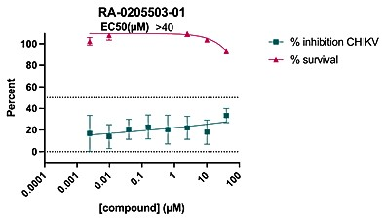 | Exp0275_CHIKVnLuc_% inhibition [RA-0205503-01].jpg
IGNORE-0211792 | 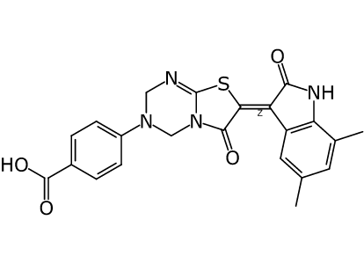 |  | CHIKV | > 40.0 | 0.198 | https://app.collaborativedrug.com/vaults/7773/files/28764075 | 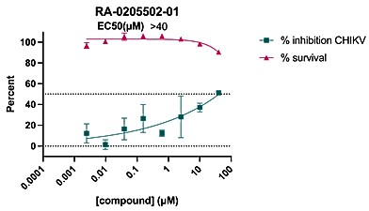 | Exp0275_CHIKVnLuc_% inhibition [RA-0205502-01].jpg
IGNORE-0211791 | 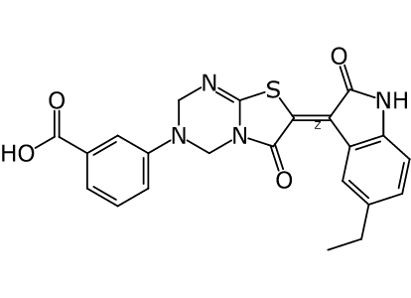 |  | CHIKV | > 40.0 | 1.7 | https://app.collaborativedrug.com/vaults/7773/files/28764074 | 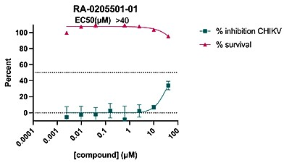 | Exp0275_CHIKVnLuc_% inhibition [RA-0205501-01].jpg
IGNORE-0211790 | 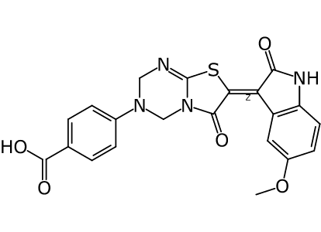 |  | CHIKV | > 40.0 | 11.6 | https://app.collaborativedrug.com/vaults/7773/files/28764071 | 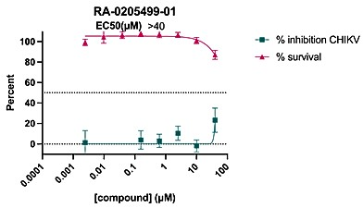 | Exp0275_CHIKVnLuc_% inhibition [RA-0205499-01].jpg
IGNORE-0211789 | 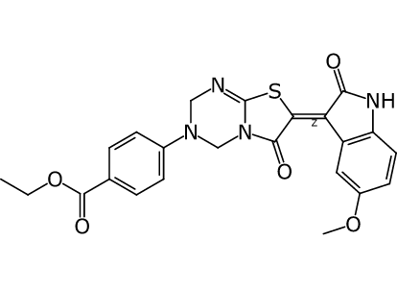 |  | CHIKV | > 40.0 | 0.798 | https://app.collaborativedrug.com/vaults/7773/files/28764068 |  | Exp0275_CHIKVnLuc_% inhibition [RA-0205498-01].jpg
IGNORE-0211788 | 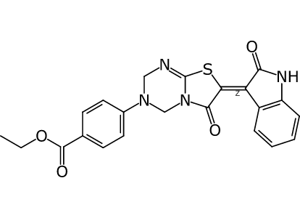 |  | CHIKV | > 40.0 | 0 | https://app.collaborativedrug.com/vaults/7773/files/28764066 | 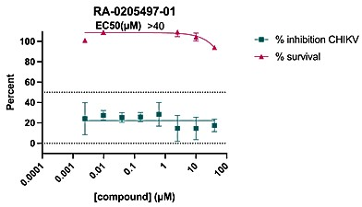 | Exp0275_CHIKVnLuc_% inhibition [RA-0205497-01].jpg
IGNORE-0211787 | 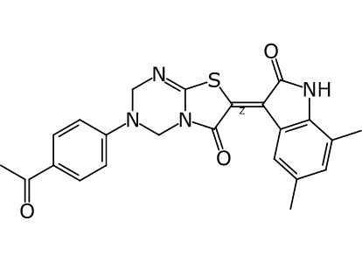 | CDD-3894581 | CHIKV | > 40.0 | 0.0761 | https://app.collaborativedrug.com/vaults/7773/files/28764063 | 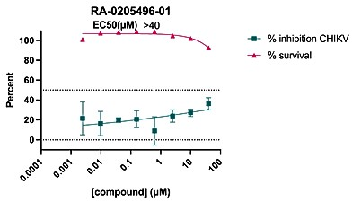 | Exp0275_CHIKVnLuc_% inhibition [RA-0205496-01].jpg
IGNORE-0211786 | 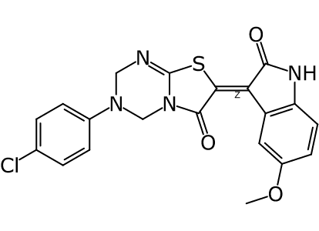 | CDD-3894551 | CHIKV | > 40.0 | 15 | https://app.collaborativedrug.com/vaults/7773/files/28764061 | 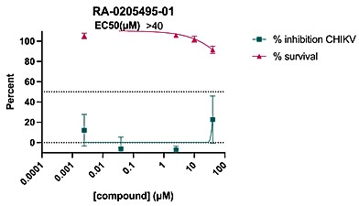 | Exp0275_CHIKVnLuc_% inhibition [RA-0205495-01].jpg
IGNORE-0211785 | 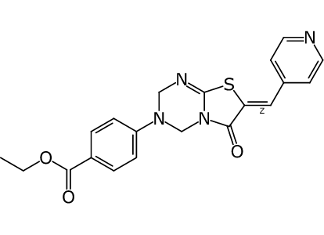 |  | CHIKV | > 40.0 | 12.2 | https://app.collaborativedrug.com/vaults/7773/files/28764059 |  | Exp0275_CHIKVnLuc_% inhibition [RA-0205494-01].jpg
IGNORE-0211784 |  |  | CHIKV | > 40.0 | 13 | https://app.collaborativedrug.com/vaults/7773/files/28764057 |  | Exp0275_CHIKVnLuc_% inhibition [RA-0205493-01].jpg
IGNORE-0211737 |  |  | CHIKV | > 40.0 | 0 | https://app.collaborativedrug.com/vaults/7773/files/28764055 |  | Exp0275_CHIKVnLuc_% inhibition [RA-0205446-01].jpg
IGNORE-0211736 |  |  | CHIKV | > 40.0 | 0 | https://app.collaborativedrug.com/vaults/7773/files/28764053 |  | Exp0275_CHIKVnLuc_% inhibition [RA-0205445-01].jpg
IGNORE-0211735 |  |  | CHIKV | > 40.0 | 1.01 | https://app.collaborativedrug.com/vaults/7773/files/28764051 |  | Exp0275_CHIKVnLuc_% inhibition [RA-0205444-01].jpg
IGNORE-0211734 |  |  | CHIKV | > 40.0 | 2.91E-11 | https://app.collaborativedrug.com/vaults/7773/files/28764049 |  | Exp0275_CHIKVnLuc_% inhibition [RA-0205443-01].jpg
IGNORE-0211733 |  |  | CHIKV | > 40.0 | 1.46E-11 | https://app.collaborativedrug.com/vaults/7773/files/28764047 |  | Exp0275_CHIKVnLuc_% inhibition [RA-0205442-01].jpg
IGNORE-0211732 |  |  | CHIKV | > 40.0 | 0.928 | https://app.collaborativedrug.com/vaults/7773/files/28764045 |  | Exp0275_CHIKVnLuc_% inhibition [RA-0205441-01].jpg
IGNORE-0211731 |  |  | CHIKV | > 40.0 | 3.64E-12 | https://app.collaborativedrug.com/vaults/7773/files/28764043 |  | Exp0275_CHIKVnLuc_% inhibition [RA-0205440-01].jpg
IGNORE-0211730 |  |  | CHIKV | > 40.0 | 7.12E-18 | https://app.collaborativedrug.com/vaults/7773/files/28764041 |  | Exp0275_CHIKVnLuc_% inhibition [RA-0205439-01].jpg
IGNORE-0211729 |  |  | CHIKV | > 40.0 | 0 | https://app.collaborativedrug.com/vaults/7773/files/28764039 |  | Exp0275_CHIKVnLuc_% inhibition [RA-0205438-01].jpg
IGNORE-0211602 |  |  | CHIKV | > 40.0 | 0 | https://app.collaborativedrug.com/vaults/7773/files/28764037 |  | Exp0275_CHIKVnLuc_% inhibition [RA-0205342-01].jpg
IGNORE-0211601 |  |  | CHIKV | > 40.0 | 0 | https://app.collaborativedrug.com/vaults/7773/files/28764035 |  | Exp0275_CHIKVnLuc_% inhibition [RA-0205341-01].jpg
IGNORE-0211600 |  |  | CHIKV | > 40.0 | 4.56E-15 | https://app.collaborativedrug.com/vaults/7773/files/28764033 |  | Exp0275_CHIKVnLuc_% inhibition [RA-0205340-01].jpg
IGNORE-0211599 |  |  | CHIKV | > 40.0 | 0 | https://app.collaborativedrug.com/vaults/7773/files/28764031 |  | Exp0275_CHIKVnLuc_% inhibition [RA-0205339-01].jpg
IGNORE-0211598 |  |  | CHIKV | > 40.0 | 11.6 | https://app.collaborativedrug.com/vaults/7773/files/28764028 |  | Exp0275_CHIKVnLuc_% inhibition [RA-0205338-01].jpg
IGNORE-0211597 |  |  | CHIKV | > 40.0 | 3.14E-18 | https://app.collaborativedrug.com/vaults/7773/files/28764026 |  | Exp0275_CHIKVnLuc_% inhibition [RA-0205337-01].jpg
IGNORE-0211446 |  |  | CHIKV | > 40.0 | -10000 | https://app.collaborativedrug.com/vaults/7773/files/28764024 |  | Exp0275_CHIKVnLuc_% inhibition [RA-0205186-01].jpg
IGNORE-0211445 |  |  | CHIKV | > 40.0 | 12.6 | https://app.collaborativedrug.com/vaults/7773/files/28764022 |  | Exp0275_CHIKVnLuc_% inhibition [RA-0205185-01].jpg
IGNORE-0211444 |  |  | CHIKV | > 40.0 | 0.104 | https://app.collaborativedrug.com/vaults/7773/files/28764020 |  | Exp0275_CHIKVnLuc_% inhibition [RA-0205184-01].jpg
IGNORE-0211442 |  |  | CHIKV | > 40.0 | -10000 | https://app.collaborativedrug.com/vaults/7773/files/28764017 |  | Exp0275_CHIKVnLuc_% inhibition [RA-0205182-01].jpg
IGNORE-0211441 |  |  | CHIKV | > 40.0 | 0.352 | https://app.collaborativedrug.com/vaults/7773/files/28764015 |  | Exp0275_CHIKVnLuc_% inhibition [RA-0205181-01].jpg
IGNORE-0211440 |  |  | CHIKV | > 40.0 | -10000 | https://app.collaborativedrug.com/vaults/7773/files/28764013 |  | Exp0275_CHIKVnLuc_% inhibition [RA-0205180-01].jpg
IGNORE-0211439 |  |  | CHIKV | > 40.0 | 0.801 | https://app.collaborativedrug.com/vaults/7773/files/28764010 |  | Exp0275_CHIKVnLuc_% inhibition [RA-0205179-01].jpg
IGNORE-0204406 |  |  | CHIKV | > 40.0 | 0.0505 | https://app.collaborativedrug.com/vaults/7773/files/28764073 |  | Exp0275_CHIKVnLuc_% inhibition [RA-0205500-01].jpg
IGNORE-0199005 |  |  | CHIKV | > 40.0 | 1.16 | https://app.collaborativedrug.com/vaults/7773/files/28764008 |  | Exp0275_CHIKVnLuc_% inhibition [RA-0193437-02].jpg
IGNORE-0193490 |  |  | CHIKV | > 40.0 | 2.52 | https://app.collaborativedrug.com/vaults/7773/files/28764006 |  | Exp0275_CHIKVnLuc_% inhibition [RA-0188454-03].jpg

